Sheet1
library management system
 |  |  | 1 | login
 |  |  | 2 | type of book
 |  |  | 3 | add to cart
 |  |  | 4 | Like book (Favorite)
 |  |  | 5 | free book
 |  |  | 6 | cancel membership
 |  |  | 7 | purchase book
 |  |  | 8 | creat membership
 |  |  | 9 | student
Login tbl | Login tbl
user ID | user type | Gender | U.name | email id | pass | Phone number
(pk) 1 | Student (pk) | m (pk) | ram (pk) | r@gmail.com (pk) | 12345 | 1478523690 (pk)
(pk) 2 | Student (pk) | f (pk) | sita (pk) | s@gmail.com (pk) | 12345 | 8521479630 (pk)
3 | other (pk) | m (pk) | Luxman (pk) | l@gmail.com (pk) | 12345 | 8523691470 (pk)
4 | other (pk) | f (pk) | mandvi | m@gmail.com (pk) | 12345 | 8523697410 (pk)
(pk) 5 | Student (pk) | f (pk) | janki (pk) | j@gmail.com (pk) | 12345 | 7412589630 (pk)

Student tbl | Student tbl
Student ID | s.name | Gender | s.address | s.number | email | std | subject | book price
(fk user ID) 1 | (fk)from login tbl | (fk)from login tbl | surat | (fk) from login tbl | (fk) from login tbl | 6 | Maths | 67
(fk) 2 | (fk) | (fk) | surat | (fk) | (fk) | 7 | Gujarati | 60
(fk) 5 | (fk) | (fk) | surat | (fk) | (fk) | 8 | English | 70

 | Creat membership tbl
Membership number | Customer name | Customer number | Gender | Address | Age | Duration of membership | Price pay for membership | user type | Area of interest in book | Language of book | email id
1001 | (fk) from login tbl (U.name) | (fk) from login tbl (Phone number) | (fk) from login tbl (Gender) | (fk) from Student tbl | 12 | 1 Year | 300 | (fk) from login tbl (user type) | Study book, Story book | Hindi, English, Gujarati | (fk) from login (email id)
1002 | (fk) from login tbl (U.name) | (fk) from login tbl (Phone number) | (fk) from login tbl (Gender) | (fk) from Student tbl | 13 | 1 Year | 300 | (fk) from login tbl (user type) | Study book, Story book | Hindi, English, Gujarati | (fk) from login (email id)
1003 | (fk) from login tbl (U.name) | (fk) from login tbl (Phone number) | (fk) from login tbl (Gender) | (fk) from Student tbl | 14 | 1 Year | 300 | (fk) from login tbl (user type) | Study book, Story book | Hindi, English, Gujarati | (fk) from login (email id)
1004 | (fk) from login tbl (U.name) | (fk) from login tbl (Phone number) | (fk) from login tbl (Gender) | Ahemdabad | 34 | 6 Months | 150 | (fk) from login tbl (user type) | Mythology book, Articles, Historical fiction | Hindi, English, Gujarati | (fk) from login (email id)
1005 | (fk) from login tbl (U.name) | (fk) from login tbl (Phone number) | (fk) from login tbl (Gender) | Ahemdabad | 45 | 6 Months | 150 | (fk) from login tbl (user type) | Humour and satire, Horror | Hindi, English, Gujarati | (fk) from login (email id)

Type of book tbl
Book Title | Author | Edition | Publisher | Length | book image | Description | price | Language
(pk) Grandma's Bag of Stories | Sudha Murty | illustrated | Penguin Books India PVT, Limited, 2015 | 192 pages |  | Who can resist a good story, especially when it's being told by Grandma? From her bag emerges tales of kings and cheats, monkeys and mice, bears and gods. ... | 150 | English
Wings of fire | APJ Abdul Kalam |  | Universities Press | 180 pages | 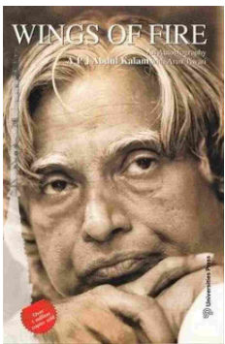 (pk 2) | (pk 2) Every common man who by his sheer grit and hard work achieves success should share his story with the rest for they may find inspiration and strength to go on, in his story. | 169 | English
Life's Amazing Secrets | Gaur Gopal Das |  | Penguin Ananda (8 October 2018) | 232 pages |  | While navigating their way through Mumbai's horrendous traffic, Gaur Gopal Das and his wealthy young friend Harry get talking, delving into concepts ranging from the human condition to finding one's purpose in life and the key to lasting happiness. Whether you are looking at strengthening your relationships, discovering your true potential, | 129 | English
The Subtle Art of Intraday Trading | Indrazith Shantharaj |  | Notion Press (17 November 2021) | 164 pages | 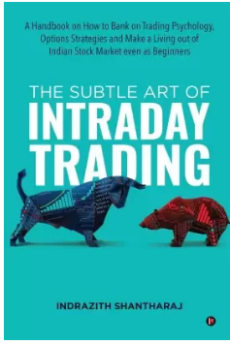 (pk 1) | (pk 1) Intraday trading is an exciting and mysterious activity for most people. The flashing profit-making intraday trading videos on YouTube excite most. If you ask any person to come up with one word that comes to their mind when they hear intraday trading, they say either 'money' or 'fear'. | 299 | English

Add to cart tbl
Member ID | Member name | Product | Description | Price | Quantity
2 | (fk) from login tbl (U.name) | (fk 1) from Type of book tbl (book image) | (pk) Intraday trading is an exciting and mysterious activity for most people. The flashing profit-making intraday trading videos on YouTube excite most. If you ask any person to come up with one word that comes to their mind when they hear intraday trading, they say either 'money' or 'fear'. | 299 | 1
3 | (fk) from login tbl (U.name) | (fk 2) from Type of book tbl (book image) | (pk) Every common man who by his sheer grit and hard work achieves success should share his story with the rest for they may find inspiration and strength to go on, in his story. | 169 | 1
Purchase book tbl
Member ID | Member name | Product |  | Price | Quantity | Payment type
2 | (fk) from login tbl (U.name) | (fk 1) from Type of book tbl (book image) | (fk 1) from Type of book tbl (Description) | (fk) from Type of book tbl (Price) | 1 | Online
3 | (fk) from login tbl (U.name) | (fk 2) from Type of book tbl (book image) | (fk 2) from Type of book tbl (Description) | (fk) from Type of book tbl (Price) | 2 | COD
Cancel membership tbl
Member ID | Cancel membership
1 | (fk) from Creat membership tbl (Customer name)
Like book (Favorite) tbl
Book Title | Author | Edition | Publisher | Length | book image | Description | price | Language
(fk) from Type of book tbl | (fk) from Type of book tbl | (fk) from Type of book tbl | (fk) from Type of book tbl | (fk) from Type of book tbl | (fk) from Type of book tbl | (fk) from Type of book tbl | (fk) from Type of book tbl | (fk) from Type of book tbl
(fk) from Type of book tbl | (fk) from Type of book tbl | (fk) from Type of book tbl | (fk) from Type of book tbl | (fk) from Type of book tbl | (fk) from Type of book tbl | (fk) from Type of book tbl | (fk) from Type of book tbl | (fk) from Type of book tbl
(fk) from Type of book tbl | (fk) from Type of book tbl | (fk) from Type of book tbl | (fk) from Type of book tbl | (fk) from Type of book tbl | (fk) from Type of book tbl | (fk) from Type of book tbl | (fk) from Type of book tbl | (fk) from Type of book tbl
(fk) from Type of book tbl | (fk) from Type of book tbl | (fk) from Type of book tbl | (fk) from Type of book tbl | (fk) from Type of book tbl | (fk) from Type of book tbl | (fk) from Type of book tbl | (fk) from Type of book tbl | (fk) from Type of book tbl
Free book tbl
Book Title | Author | Publisher | Length | book image | Description | price | Language
400 Days | Chetan Bhagat | HarperCollins India, 1 July 2022 | 412 pages | 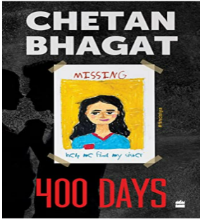 | Twelve-year-old Siya has been missing for nine months. It's a cold case, but Keshav wants to help his mother, Alia, who refuses to give up. 'My daughter Siya was kidnapped. Nine months ago,' Alia said. The police had given up. They called it a cold case. Even the rest of her family had stopped searching. | - | English
One Night at the call center | Chetan Bhagat | 44684 | 270 pages |  | In winter 2004, a writer met a young girl on a night train journey. To pass the time, she offered to tell a story. However, she had a condition: that he make it into his second book. He hesitated, but asked what the story was about. The girl said the story was about six people working in a a call center, set in one night. She said it was the night they got a phone call. | - | English

